Sheet1
Page Component | Example
Button
Dropdown | 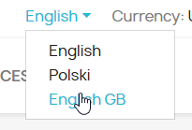 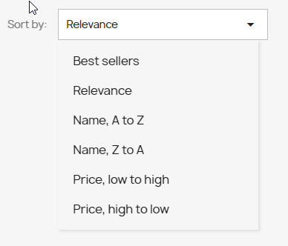 | seperate
Colapse submenu
Link/external link

Field |  | Enter, Tab
Checkbox | 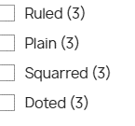
Radio button | 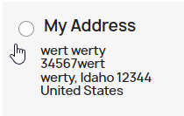
Text field
Spinner
Product | 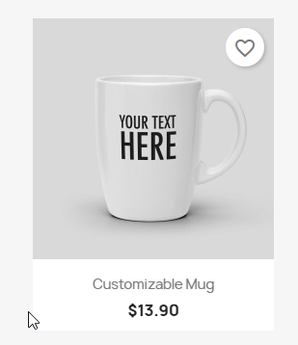 | button, picture

